STOCK
S.NO | Brand | Article No | Sample Pic | colour -1 | UPPER | Lining | socks | Sole | Branding | Customer Offer price in $ | TOTAL QTY | 36 | 37 | 38 | 39 | 40 | 41
1 | 10924 A | EP-22 Silver ESPADRILEES | 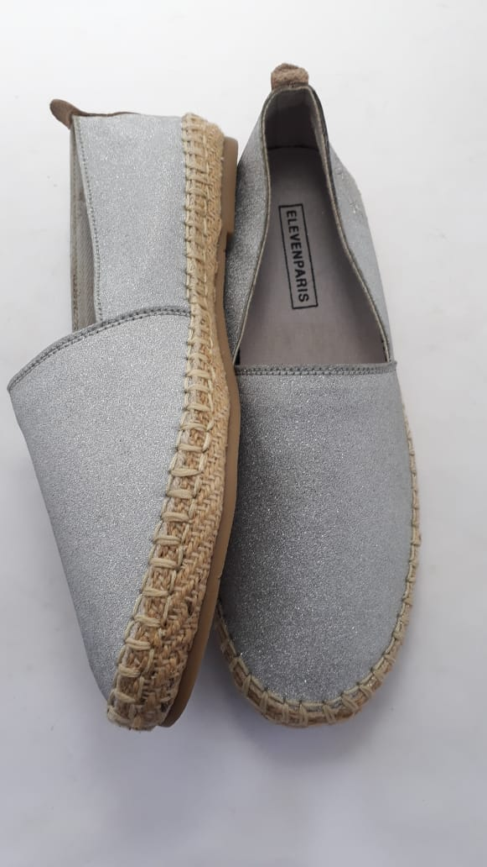 | SILVER | Sparckle Canvas / Back strap-Goat leather | Canvas | Canvas | TPR | Paris Eleven | 3.95 USD | 1400 | 200 | 250 | 250 | 250 | 250 | 200
 |  |  |  |  |  |  |  |  |  |  | 1400

